Sheet1
Questions on measure of central tendency

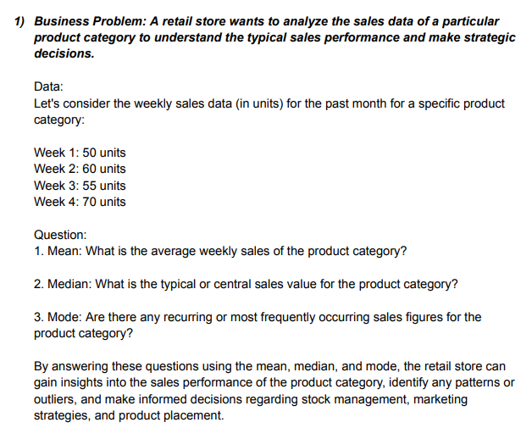
 | week | units |  |  | Mean
 | 1 | 50
 | 2 | 60 |  |  | Median
 | 3 | 55
 | 4 | 70 |  |  | Mode

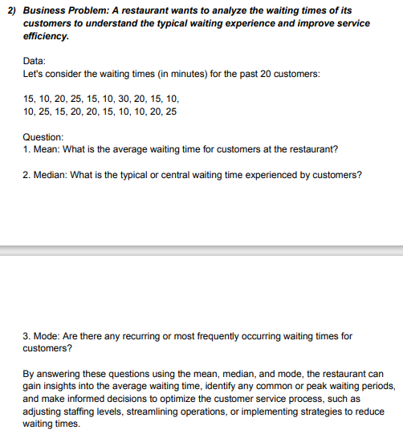
 | Customers | Time
 | 1 | 15 |  |  | Mean
 | 2 | 10
 | 3 | 20 |  |  | Median
 | 4 | 25
 | 5 | 15 |  |  | Mode
 | 6 | 10
 | 7 | 30
 | 8 | 20
 | 9 | 15
 | 10 | 10
 | 11 | 10
 | 12 | 25
 | 13 | 15
 | 14 | 20
 | 15 | 20
 | 16 | 15
 | 17 | 10
 | 18 | 10
 | 19 | 20
 | 20 | 25

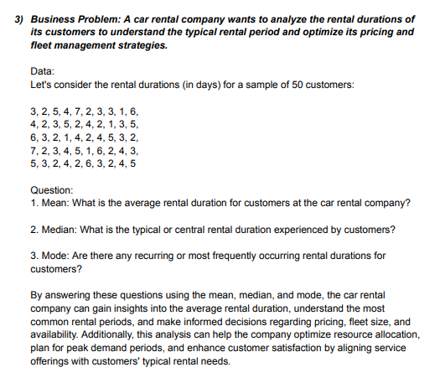
 |  |  |  |  | Customers |  | Mean | 3.44
 |  |  |  |  | 1
 |  |  |  |  | 2 |  | Median | 3
 |  |  |  |  | 3
 |  |  |  |  | 4 |  | Mode | 2
 |  |  |  |  | 5
 |  |  |  |  | 6
 |  |  |  |  | 7
 |  |  |  |  | 8
 |  |  |  |  | 9
 |  |  |  |  | 10
 |  |  |  |  | 11
 |  |  |  |  | 12
 |  |  |  |  | 13
 |  |  |  |  | 14
 |  |  |  |  | 15
 |  |  |  |  | 16
 |  |  |  |  | 17
 |  |  |  |  | 18
 |  |  |  |  | 19
 |  |  |  |  | 20
 |  |  |  |  | 21
 |  |  |  |  | 22
 |  |  |  |  | 23
 |  |  |  |  | 24
 |  |  |  |  | 25
 |  |  |  |  | 26
 |  |  |  |  | 27
 |  |  |  |  | 28
 |  |  |  |  | 29
 |  |  |  |  | 30
 |  |  |  |  | 31
 |  |  |  |  | 32
 |  |  |  |  | 33
 |  |  |  |  | 34
 |  |  |  |  | 35
 |  |  |  |  | 36
 |  |  |  |  | 37
 |  |  |  |  | 38
 |  |  |  |  | 39
 |  |  |  |  | 40
 |  |  |  |  | 41
 |  |  |  |  | 42
 |  |  |  |  | 43
 |  |  |  |  | 44
 |  |  |  |  | 45
 |  |  |  |  | 46
 |  |  |  |  | 47
 |  |  |  |  | 48
 |  |  |  |  | 49
 |  |  |  |  | 50

Questions on measure of dispersion

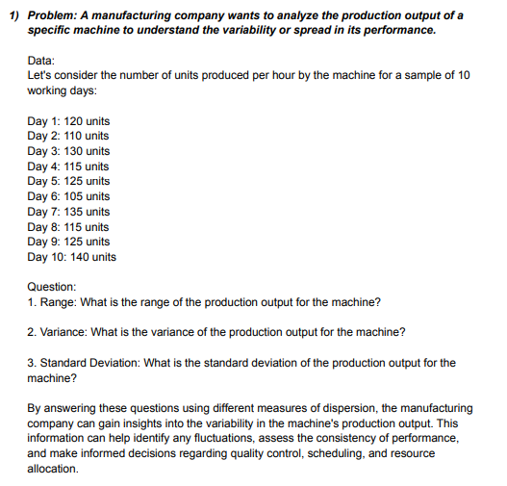
 | Days | Units |  | Range | 35
 | 1 | 120
 | 2 | 110 |  | Variance | 123.33333333
 | 3 | 130
 | 4 | 115 |  | Standard Deviation | 11.105554166
 | 5 | 125
 | 6 | 105
 | 7 | 135
 | 8 | 115
 | 9 | 125
 | 10 | 140

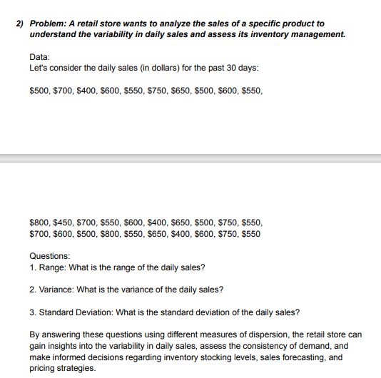
 | Days | sales
 | 1 | 500 |  | Range | 400
 | 2 | 700
 | 3 | 400 |  | Variance | 13163.793103
 | 4 | 600
 | 5 | 550 |  | Standard Deviation | 114.73357444
 | 6 | 750
 | 7 | 650
 | 8 | 500
 | 9 | 600
 | 10 | 550
 | 11 | 800
 | 12 | 450
 | 13 | 700
 | 14 | 550
 | 15 | 600
 | 16 | 400
 | 17 | 650
 | 18 | 500
 | 19 | 750
 | 20 | 550
 | 21 | 700
 | 22 | 600
 | 23 | 500
 | 24 | 800
 | 25 | 550
 | 26 | 650
 | 27 | 400
 | 28 | 600
 | 29 | 750
 | 30 | 550

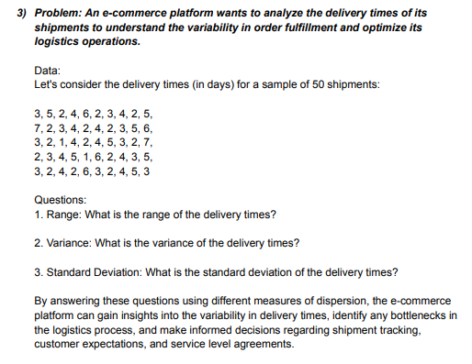
 |  | Days |  | Range | 6
 |  | 3
 |  | 5 |  | Variance | 2.3363265306
 |  | 2
 |  | 4 |  | Standard Deviation | 1.5285046714
 |  | 6
 |  | 2
 |  | 3
 |  | 4
 |  | 2
 |  | 5
 |  | 7
 |  | 2
 |  | 3
 |  | 4
 |  | 2
 |  | 4
 |  | 2
 |  | 3
 |  | 5
 |  | 6
 |  | 3
 |  | 2
 |  | 1
 |  | 4
 |  | 2
 |  | 4
 |  | 5
 |  | 3
 |  | 2
 |  | 7
 |  | 2
 |  | 3
 |  | 4
 |  | 5
 |  | 1
 |  | 6
 |  | 2
 |  | 4
 |  | 3
 |  | 5
 |  | 3
 |  | 2
 |  | 4
 |  | 2
 |  | 6
 |  | 3
 |  | 2
 |  | 4
 |  | 5
 |  | 3

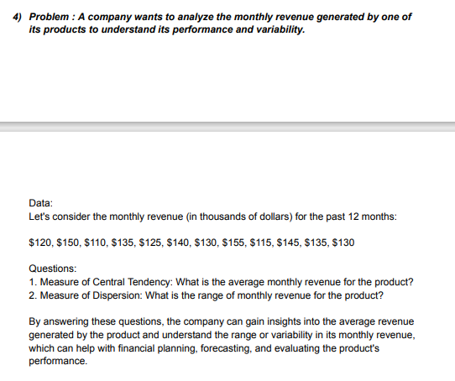
 |  |  | Month | Revenue | Measure of Central Tendency |  | Mean | 131.84224365
 |  |  | 1 | 120
 |  |  | 2 | 150 |  |  | Median | 132.5
 |  |  | 3 | 110
 |  |  | 4 | 135 |  |  | Mode | 135
 |  |  | 5 | 125
 |  |  | 6 | 140 | Measure of Dispersion | 45
 |  |  | 7 | 130
 |  |  | 8 | 155
 |  |  | 9 | 115
 |  |  | 10 | 145
 |  |  | 11 | 135
 |  |  | 12 | 130

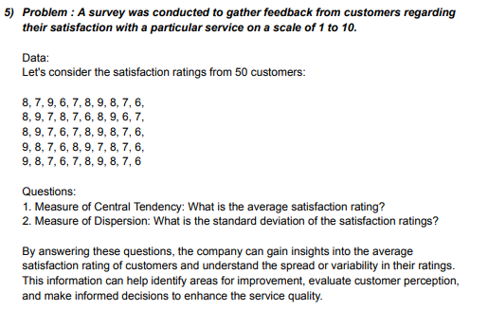
 |  |  | Customers | Rating | Measure of Central Tendency |  | Mean | 7.4290821382
 |  |  | 1 | 8
 |  |  | 2 | 7 |  |  | Median | 7.5
 |  |  | 3 | 9
 |  |  | 4 | 6 |  |  | Mode | 8
 |  |  | 5 | 7
 |  |  | 6 | 8 | Measure of Dispersion | 3
 |  |  | 7 | 9
 |  |  | 8 | 8
 |  |  | 9 | 7
 |  |  | 10 | 6
 |  |  | 11 | 8
 |  |  | 12 | 9
 |  |  | 13 | 7
 |  |  | 14 | 8
 |  |  | 15 | 7
 |  |  | 16 | 6
 |  |  | 17 | 8
 |  |  | 18 | 9
 |  |  | 19 | 6
 |  |  | 20 | 7
 |  |  | 21 | 8
 |  |  | 22 | 9
 |  |  | 23 | 7
 |  |  | 24 | 6
 |  |  | 25 | 7
 |  |  | 26 | 8
 |  |  | 27 | 9
 |  |  | 28 | 8
 |  |  | 29 | 7
 |  |  | 30 | 6
 |  |  | 31 | 9
 |  |  | 32 | 8
 |  |  | 33 | 7
 |  |  | 34 | 6
 |  |  | 35 | 8
 |  |  | 36 | 9
 |  |  | 37 | 7
 |  |  | 38 | 8
 |  |  | 39 | 7
 |  |  | 40 | 6
 |  |  | 41 | 9
 |  |  | 42 | 8
 |  |  | 43 | 7
 |  |  | 44 | 6
 |  |  | 45 | 7
 |  |  | 46 | 8
 |  |  | 47 | 9
 |  |  | 48 | 8
 |  |  | 49 | 7
 |  |  | 50 | 6

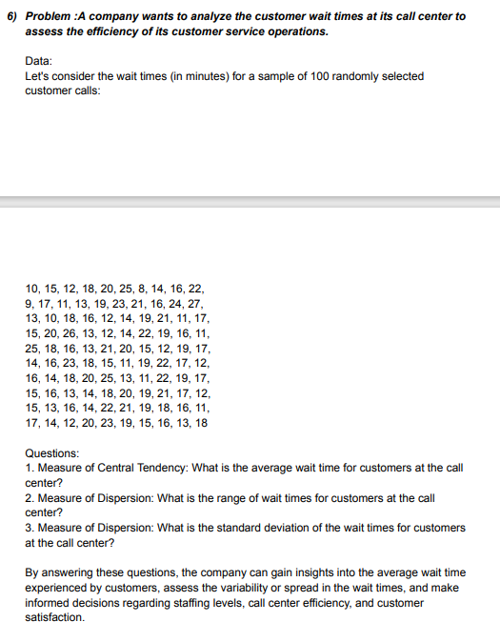
 |  |  |  |  |  |  |  | Time
 |  |  |  |  |  |  |  | 10 | Measure of Central Tendency |  |  |  | Average | 16.74
 |  |  |  |  |  |  |  | 15
 |  |  |  |  |  |  |  | 12 | Measure of Dispersion |  |  |  | Rang | 19
 |  |  |  |  |  |  |  | 18
 |  |  |  |  |  |  |  | 20 | Measure of Dispersion |  |  |  | standard deviation |  | 4.1429506881
 |  |  |  |  |  |  |  | 25
 |  |  |  |  |  |  |  | 8
 |  |  |  |  |  |  |  | 14
 |  |  |  |  |  |  |  | 16
 |  |  |  |  |  |  |  | 22
 |  |  |  |  |  |  |  | 9
 |  |  |  |  |  |  |  | 17
 |  |  |  |  |  |  |  | 11
 |  |  |  |  |  |  |  | 13
 |  |  |  |  |  |  |  | 19
 |  |  |  |  |  |  |  | 23
 |  |  |  |  |  |  |  | 21
 |  |  |  |  |  |  |  | 16
 |  |  |  |  |  |  |  | 24
 |  |  |  |  |  |  |  | 27
 |  |  |  |  |  |  |  | 13
 |  |  |  |  |  |  |  | 10
 |  |  |  |  |  |  |  | 18
 |  |  |  |  |  |  |  | 16
 |  |  |  |  |  |  |  | 12
 |  |  |  |  |  |  |  | 14
 |  |  |  |  |  |  |  | 19
 |  |  |  |  |  |  |  | 21
 |  |  |  |  |  |  |  | 11
 |  |  |  |  |  |  |  | 17
 |  |  |  |  |  |  |  | 15
 |  |  |  |  |  |  |  | 20
 |  |  |  |  |  |  |  | 26
 |  |  |  |  |  |  |  | 13
 |  |  |  |  |  |  |  | 12
 |  |  |  |  |  |  |  | 14
 |  |  |  |  |  |  |  | 22
 |  |  |  |  |  |  |  | 19
 |  |  |  |  |  |  |  | 16
 |  |  |  |  |  |  |  | 11
 |  |  |  |  |  |  |  | 25
 |  |  |  |  |  |  |  | 18
 |  |  |  |  |  |  |  | 16
 |  |  |  |  |  |  |  | 13
 |  |  |  |  |  |  |  | 21
 |  |  |  |  |  |  |  | 20
 |  |  |  |  |  |  |  | 15
 |  |  |  |  |  |  |  | 12
 |  |  |  |  |  |  |  | 19
 |  |  |  |  |  |  |  | 17
 |  |  |  |  |  |  |  | 14
 |  |  |  |  |  |  |  | 16
 |  |  |  |  |  |  |  | 23
 |  |  |  |  |  |  |  | 18
 |  |  |  |  |  |  |  | 15
 |  |  |  |  |  |  |  | 11
 |  |  |  |  |  |  |  | 19
 |  |  |  |  |  |  |  | 22
 |  |  |  |  |  |  |  | 17
 |  |  |  |  |  |  |  | 12
 |  |  |  |  |  |  |  | 16
 |  |  |  |  |  |  |  | 14
 |  |  |  |  |  |  |  | 18
 |  |  |  |  |  |  |  | 20
 |  |  |  |  |  |  |  | 25
 |  |  |  |  |  |  |  | 13
 |  |  |  |  |  |  |  | 11
 |  |  |  |  |  |  |  | 22
 |  |  |  |  |  |  |  | 19
 |  |  |  |  |  |  |  | 17
 |  |  |  |  |  |  |  | 15
 |  |  |  |  |  |  |  | 16
 |  |  |  |  |  |  |  | 13
 |  |  |  |  |  |  |  | 14
 |  |  |  |  |  |  |  | 18
 |  |  |  |  |  |  |  | 20
 |  |  |  |  |  |  |  | 19
 |  |  |  |  |  |  |  | 21
 |  |  |  |  |  |  |  | 17
 |  |  |  |  |  |  |  | 12
 |  |  |  |  |  |  |  | 15
 |  |  |  |  |  |  |  | 13
 |  |  |  |  |  |  |  | 16
 |  |  |  |  |  |  |  | 14
 |  |  |  |  |  |  |  | 22
 |  |  |  |  |  |  |  | 21
 |  |  |  |  |  |  |  | 19
 |  |  |  |  |  |  |  | 18
 |  |  |  |  |  |  |  | 16
 |  |  |  |  |  |  |  | 11
 |  |  |  |  |  |  |  | 17
 |  |  |  |  |  |  |  | 14
 |  |  |  |  |  |  |  | 12
 |  |  |  |  |  |  |  | 20
 |  |  |  |  |  |  |  | 23
 |  |  |  |  |  |  |  | 19
 |  |  |  |  |  |  |  | 15
 |  |  |  |  |  |  |  | 16
 |  |  |  |  |  |  |  | 13
 |  |  |  |  |  |  |  | 18

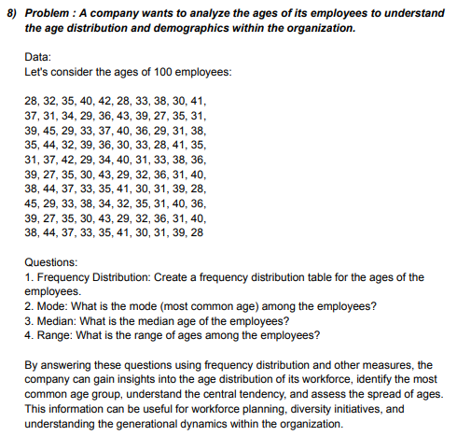
More Statistics Questions
 |  |  |  |  |  |  |  | Age
 |  |  |  |  |  |  |  | 28 | Frequency Distribution
 |  |  |  |  |  |  |  | 32
 |  |  |  |  |  |  |  | 35
 |  |  |  |  |  |  |  | 40 | Age distribution | bin |  | bin | Frequency
 |  |  |  |  |  |  |  | 42 | 21-25 | 25 |  | 25 | 0
 |  |  |  |  |  |  |  | 28 | 26-30 | 30 |  | 30 | 21
 |  |  |  |  |  |  |  | 33 | 31-35 | 35 |  | 35 | 34
 |  |  |  |  |  |  |  | 38 | 36-40 | 40 |  | 40 | 31
 |  |  |  |  |  |  |  | 30 | 41-45 | 45 |  | 45 | 14
 |  |  |  |  |  |  |  | 41 |  |  |  | More | 0
 |  |  |  |  |  |  |  | 37
 |  |  |  |  |  |  |  | 31
 |  |  |  |  |  |  |  | 34 | Mode | 31
 |  |  |  |  |  |  |  | 29
 |  |  |  |  |  |  |  | 36 | Median | 35
 |  |  |  |  |  |  |  | 43
 |  |  |  |  |  |  |  | 39 | Range | 18
 |  |  |  |  |  |  |  | 27
 |  |  |  |  |  |  |  | 35
 |  |  |  |  |  |  |  | 31
 |  |  |  |  |  |  |  | 39
 |  |  |  |  |  |  |  | 45
 |  |  |  |  |  |  |  | 29
 |  |  |  |  |  |  |  | 33
 |  |  |  |  |  |  |  | 37
 |  |  |  |  |  |  |  | 40
 |  |  |  |  |  |  |  | 36
 |  |  |  |  |  |  |  | 29
 |  |  |  |  |  |  |  | 31
 |  |  |  |  |  |  |  | 38
 |  |  |  |  |  |  |  | 35
 |  |  |  |  |  |  |  | 44
 |  |  |  |  |  |  |  | 32
 |  |  |  |  |  |  |  | 39
 |  |  |  |  |  |  |  | 36
 |  |  |  |  |  |  |  | 30
 |  |  |  |  |  |  |  | 33
 |  |  |  |  |  |  |  | 28
 |  |  |  |  |  |  |  | 41
 |  |  |  |  |  |  |  | 35
 |  |  |  |  |  |  |  | 31
 |  |  |  |  |  |  |  | 37
 |  |  |  |  |  |  |  | 42
 |  |  |  |  |  |  |  | 29
 |  |  |  |  |  |  |  | 34
 |  |  |  |  |  |  |  | 40
 |  |  |  |  |  |  |  | 31
 |  |  |  |  |  |  |  | 33
 |  |  |  |  |  |  |  | 38
 |  |  |  |  |  |  |  | 36
 |  |  |  |  |  |  |  | 39
 |  |  |  |  |  |  |  | 27
 |  |  |  |  |  |  |  | 35
 |  |  |  |  |  |  |  | 30
 |  |  |  |  |  |  |  | 43
 |  |  |  |  |  |  |  | 29
 |  |  |  |  |  |  |  | 32
 |  |  |  |  |  |  |  | 36
 |  |  |  |  |  |  |  | 31
 |  |  |  |  |  |  |  | 40
 |  |  |  |  |  |  |  | 38
 |  |  |  |  |  |  |  | 44
 |  |  |  |  |  |  |  | 37
 |  |  |  |  |  |  |  | 33
 |  |  |  |  |  |  |  | 35
 |  |  |  |  |  |  |  | 41
 |  |  |  |  |  |  |  | 30
 |  |  |  |  |  |  |  | 31
 |  |  |  |  |  |  |  | 39
 |  |  |  |  |  |  |  | 28
 |  |  |  |  |  |  |  | 45
 |  |  |  |  |  |  |  | 29
 |  |  |  |  |  |  |  | 33
 |  |  |  |  |  |  |  | 38
 |  |  |  |  |  |  |  | 34
 |  |  |  |  |  |  |  | 32
 |  |  |  |  |  |  |  | 35
 |  |  |  |  |  |  |  | 31
 |  |  |  |  |  |  |  | 40
 |  |  |  |  |  |  |  | 36
 |  |  |  |  |  |  |  | 39
 |  |  |  |  |  |  |  | 27
 |  |  |  |  |  |  |  | 35
 |  |  |  |  |  |  |  | 30
 |  |  |  |  |  |  |  | 43
 |  |  |  |  |  |  |  | 29
 |  |  |  |  |  |  |  | 32
 |  |  |  |  |  |  |  | 36
 |  |  |  |  |  |  |  | 31
 |  |  |  |  |  |  |  | 40
 |  |  |  |  |  |  |  | 38
 |  |  |  |  |  |  |  | 44
 |  |  |  |  |  |  |  | 37
 |  |  |  |  |  |  |  | 33
 |  |  |  |  |  |  |  | 35
 |  |  |  |  |  |  |  | 41
 |  |  |  |  |  |  |  | 30
 |  |  |  |  |  |  |  | 31
 |  |  |  |  |  |  |  | 39
 |  |  |  |  |  |  |  | 28

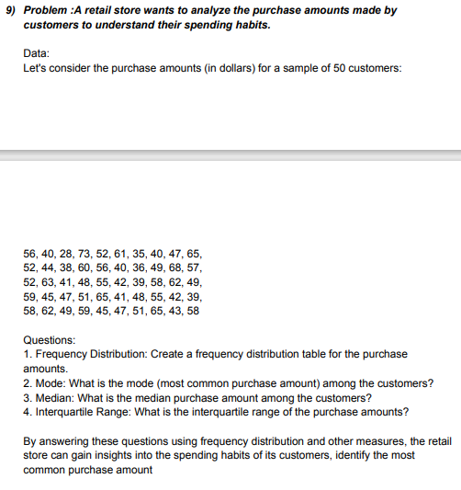
 |  |  |  |  |  |  |  | Amount | Frequency Distribution
 |  |  |  |  |  |  |  | 56
 |  |  |  |  |  |  |  | 40
 |  |  |  |  |  |  |  | 28
 |  |  |  |  |  |  |  | 73 | Purchase Distribution | Bin |  | Bin | Frequency
 |  |  |  |  |  |  |  | 52 | 26-30 | 30 |  | 30 | 1
 |  |  |  |  |  |  |  | 61 | 31-35 | 35 |  | 35 | 1
 |  |  |  |  |  |  |  | 35 | 36-40 | 40 |  | 40 | 7
 |  |  |  |  |  |  |  | 40 | 41-45 | 45 |  | 45 | 8
 |  |  |  |  |  |  |  | 47 | 46-50 | 50 |  | 50 | 8
 |  |  |  |  |  |  |  | 65 | 51-55 | 55 |  | 55 | 7
 |  |  |  |  |  |  |  | 52 | 56-60 | 60 |  | 60 | 8
 |  |  |  |  |  |  |  | 44 | 61-65 | 65 |  | 65 | 7
 |  |  |  |  |  |  |  | 38 | 66-70 | 70 |  | 70 | 1
 |  |  |  |  |  |  |  | 60 | 71-75 | 75 |  | 75 | 1
 |  |  |  |  |  |  |  | 56 |  |  |  | More | 0
 |  |  |  |  |  |  |  | 40
 |  |  |  |  |  |  |  | 36
 |  |  |  |  |  |  |  | 49 | Mode | 40
 |  |  |  |  |  |  |  | 68
 |  |  |  |  |  |  |  | 57 | Median | 50
 |  |  |  |  |  |  |  | 52
 |  |  |  |  |  |  |  | 63 | Interquartile Range | 45
 |  |  |  |  |  |  |  | 41
 |  |  |  |  |  |  |  | 48
 |  |  |  |  |  |  |  | 55
 |  |  |  |  |  |  |  | 42
 |  |  |  |  |  |  |  | 39
 |  |  |  |  |  |  |  | 58
 |  |  |  |  |  |  |  | 62
 |  |  |  |  |  |  |  | 49
 |  |  |  |  |  |  |  | 59
 |  |  |  |  |  |  |  | 45
 |  |  |  |  |  |  |  | 47
 |  |  |  |  |  |  |  | 51
 |  |  |  |  |  |  |  | 65
 |  |  |  |  |  |  |  | 41
 |  |  |  |  |  |  |  | 48
 |  |  |  |  |  |  |  | 55
 |  |  |  |  |  |  |  | 42
 |  |  |  |  |  |  |  | 39
 |  |  |  |  |  |  |  | 58
 |  |  |  |  |  |  |  | 62
 |  |  |  |  |  |  |  | 49
 |  |  |  |  |  |  |  | 59
 |  |  |  |  |  |  |  | 45
 |  |  |  |  |  |  |  | 47
 |  |  |  |  |  |  |  | 51
 |  |  |  |  |  |  |  | 65
 |  |  |  |  |  |  |  | 43
 |  |  |  |  |  |  |  | 58

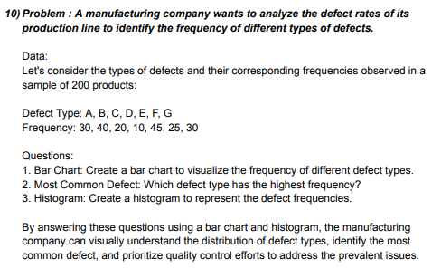
 |  |  |  |  | Defect Type | Frequency | Bin
 |  |  |  |  | A | 30 | 10
 |  |  |  |  | B | 40 | 20
 |  |  |  |  | C | 20 | 30
 |  |  |  |  | D | 10 | 40
 |  |  |  |  | E | 45 | 50
 |  |  |  |  | F | 25 | 60
 |  |  |  |  | G | 30 | 70

 |  | Frequency
A |  | 30
B |  | 40
C |  | 20
D |  | 10
E |  | 45
F |  | 25
G |  | 30
 |  |  |  |  | Bar Chart |  |  |  | Most Common Defect |  | Bin | Frequency
 |  |  |  |  |  |  |  |  | 45 |  | 10 | 1
 |  |  |  |  |  |  |  |  |  |  | 20 | 1
 |  |  |  |  |  |  |  |  |  |  | 30 | 3
 |  |  |  |  |  |  |  |  |  |  | 40 | 1
 |  |  |  |  |  |  |  |  |  |  | 50 | 1
 |  |  |  |  |  |  |  |  |  |  | 60 | 0
 |  |  |  |  |  |  |  |  |  |  | 70 | 0
 |  |  |  |  |  |  |  |  |  |  | More | 0

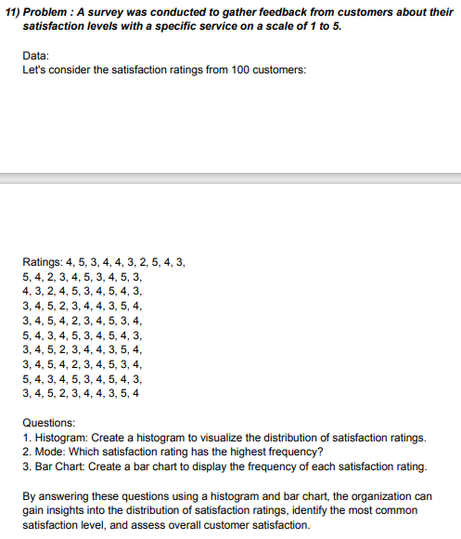
Histrogram
 | Scale | Ratings
 | 1 | 4
 | 2 | 5
 | 3 | 3
 | 4 | 4
 | 5 | 4
 |  | 3
 |  | 2
 |  | 5
 |  | 4
 |  | 3
 |  | 5
 |  | 4
 |  | 2
 |  | 3
 |  | 4
 |  | 5
 |  | 3
 |  | 4
 |  | 5
 |  | 3
 |  | 4
 |  | 3
 |  | 2
 |  | 4
 |  | 5
 |  | 3
 |  | 4
 |  | 5
 |  | 4
 |  | 3
 |  | 3
 |  | 4
 |  | 5
 |  | 2
 |  | 3
 |  | 4
 |  | 4
 |  | 3
 |  | 5
 |  | 4
 |  | 3
 |  | 4
 |  | 5
 |  | 4
 |  | 2
 |  | 3
 |  | 4
 |  | 5
 |  | 3
 |  | 4
...
 |  |  | Scale | Ratings
 |  |  | 1 | 4
 |  |  | 2 | 5
 |  |  | 3 | 3
 |  |  | 4 | 4
 |  |  | 5 | 4
 |  |  |  | 3
 |  |  |  | 2
 |  |  |  | 5
 |  |  |  | 4
 |  |  |  | 3
 |  |  |  | 5
 |  |  |  | 4
 |  |  |  | 2
 |  |  |  | 3
 |  |  |  | 4
 |  |  |  | 5 | Mode | 4
 |  |  |  | 3
 |  |  |  | 4
 |  |  |  | 5
 |  |  |  | 3
 |  |  |  | 4
 |  |  |  | 3
 |  |  |  | 2
 |  |  |  | 4
 |  |  |  | 5
 |  |  |  | 3
 |  |  |  | 4
 |  |  |  | 5
 |  |  |  | 4
 |  |  |  | 3
 |  |  |  | 3
 |  |  |  | 4
 |  |  |  | 5
 |  |  |  | 2
 |  |  |  | 3
 |  |  |  | 4
 |  |  |  | 4
 |  |  |  | 3
 |  |  |  | 5
 |  |  |  | 4
 |  |  |  | 3
 |  |  |  | 4
 |  |  |  | 5
 |  |  |  | 4
 |  |  |  | 2
 |  |  |  | 3
 |  |  |  | 4
 |  |  |  | 5
 |  |  |  | 3
 |  |  |  | 4
 |  |  |  | 5
 |  |  |  | 4
 |  |  |  | 3
 |  |  |  | 4
 |  |  |  | 5
 |  |  |  | 3
 |  |  |  | 4
 |  |  |  | 5
 |  |  |  | 4
 |  |  |  | 3
 |  |  |  | 3
 |  |  |  | 4
 |  |  |  | 5
 |  |  |  | 2
 |  |  |  | 3
 |  |  |  | 4
 |  |  |  | 4
 |  |  |  | 3
 |  |  |  | 5
 |  |  |  | 4
 |  |  |  | 3
 |  |  |  | 4
 |  |  |  | 5
 |  |  |  | 4
 |  |  |  | 2
 |  |  |  | 3
 |  |  |  | 4
 |  |  |  | 5
 |  |  |  | 3
 |  |  |  | 4
 |  |  |  | 5
 |  |  |  | 4
 |  |  |  | 3
 |  |  |  | 4
 |  |  |  | 5
 |  |  |  | 3
 |  |  |  | 4
 |  |  |  | 5
 |  |  |  | 4
 |  |  |  | 3
 |  |  |  | 3
 |  |  |  | 4
 |  |  |  | 5
 |  |  |  | 2
 |  |  |  | 3
 |  |  |  | 4
 |  |  |  | 4
 |  |  |  | 3
 |  |  |  | 5
 |  |  |  | 4

